Data Analysis Report
Data Analysis - Bike Purchase
The analysis is for a section of the dataset containing details of the people who either owned a Bike or not, to find the possibile factors behind people purchasing a bike.

After we load the data into Excel thru any ETL(Extract Transform & Load) method, making a copy of the original raw data helps to revert back to reload or, if needed to verify.
Creating a Table helps to work with the data. One can create filters on every column of this table which helps in quick glance thru the data to spot the obvious anomalies like blanks,incorrect data(usually dates) and special characters in text columns etc.

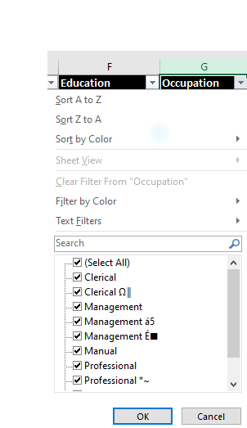

Step 1 - Data Cleaning & Formatting
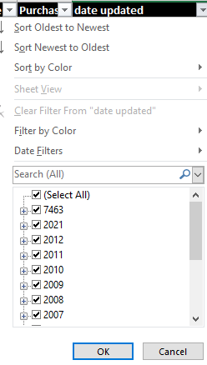

Removing the blank cells from the dataset.
For this, select the whole dataset. Go to Find and Select in the Home tab of excel. Select Go to Special from the drop-down menu and then tick the Blanks option. All the blank cells will be selected. Then go to Delete option in the home tab again and select Delete Rows from the drop-down menu. This will remove any rows with blank cells.
Removing Duplicate Values
It might be possible that our data may be containing duplicate values which may hinder in precise analysis. So, to find the duplicate values we can use the Conditional Formatting to highlight the values first and then maybe Sort By Color to ultimately delete those values using Remove Duplicates in Data tab.
Formatting to make appropriate changes to the data for more readablity and process thru other further steps involves renaming the Headers, updating the data with values using Find and replace.
Inserting a temporary column to write a formula (Proper & Trim functions) to update the data and and eventually copy the updated data or drop the old column(Region Column) .
Use the Filter Column to select and group the rows with special characters or messy data and then correct them case by case e.g (Occupation Column)
Dropping the columns which are not needed for our analysis.

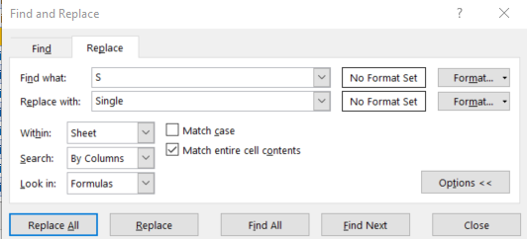
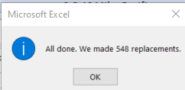

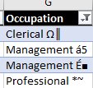

Step 2 - Dataset Analysis

A quick analysis using Pivot tables can give below insights -
1. Bikes purchases can be driven by average Income of the buyer who can be further analysed by gender. The first pivot table can be used to deduce that more bikes are purchased by indviduals having higher average income and that too Men compared to Female. Overall in the this dataset Females seem to have lower average Income compared to Men.
Interesting to note that the Men who didnt purchase bike even though the average income is higher than women who bought Bike.
2. Pivot table showing Bikes purchased by commute distance can be used to infer that the shorter commute distance seems to be driving the decision to purchase , maybe bikes are used as a convenience to commute. Similarily bigger the commute distance the need to purchase the bike seems to be lower.
3. Lastly to check if age factor of the buyer is a driving factor , the Pivot table Bikes Purchased by Age can be used to bucket the age details of the buyer in a more usable way to understand the data. It seems, mostly Middle-age (>31 & <=54) have purchased the bikes. Interestingly who did not purchase bike are also mostly Middle-Aged. But the 'Young' seems to be least into purchasing the bikes.

Bikes Purchased By Avg Income & Gender

Average of Income | Column Labels
Row Labels | No | Yes
Female | 53,440 | 55,774
Male | 56,208 | 60,124

Bikes Purchased By Commute Distance

Count of Purchased Bike | Column Labels
Row Labels | No | Yes
0-1 Miles | 166 | 200
1-2 Miles | 92 | 77
2-5 Miles | 67 | 95
5-10 Miles | 116 | 76
More than 10 Miles | 78 | 33

Bikes Purchased By Age

Count of Purchased Bike | Column Labels
Row Labels | No | Yes
Middle-Age | 318 | 383
Old | 130 | 59
Young | 71 | 39

Step 3 - Visualization

The Dashboard contains the Visualization to display the Pivot data with Slicers, to be able to analyse more scenarios with diferent combinations of datapoints.
The Clustered column chart is used to display the Pivot data details of Average Income & Gender details for an easy guage to compare the Gender details of the Bike Purchases.
The Pie chart is used to display the Age bracket details of the second Pivot table. The Pie slices can give quick inferences regarding the which sections of the age mostly bought the Bikes.
Lastly, the Line chart displays the data poiints of the Commute Distance details of the Purchaser, which helps in guaging any relation to the purchase counts.
The Slicers can work with different combinations of criteria or scenarios with multiple selections, that can better help with insights to understand the data.
1. The first Slicer can be used to determine if the Marital status of the purchasers is a factor that drives the purchase.
2. The second Slicer can be used to determine if the regional location of the purchasers can determine the bike counts of the purchasers.
3. The last Slicer can be used further to derive if the Occupation of the purchasers played any role or trend for the shown purchase numbers.

DASHBOARDS
BIKE PURCHASE DASHBOARD

BIKE PURCHASE BY AVERAGE INCOME AND GENDER
 | No | Yes
Female | 53765.182186 | 55569.620253
Male | 55962.264151 | 59875
BIKE PURCHASE BY AGE
 | Yes
Middle-age | 371
Old | 59
Young | 47

BIKE PURCHASE BY COMMUTE DISTANCE
 | No | Yes
0-1 Miles | 162 | 200
10+ Miles | 77 | 32
1-2 Miles | 91 | 77
2-5 Miles | 67 | 92
5-10 Miles | 115 | 76

Pivot Tables
Data Analysis - Pivot Tables

Bikes Purchased By Avg Income & Gender

Average of Income | Column Labels
Row Labels | No | Yes
Female | 53,440 | 55,774
Male | 56,208 | 60,124

Bikes Purchased By Commute Distance

Count of Purchased Bike | Column Labels
Row Labels | No | Yes
0-1 Miles | 166 | 200
1-2 Miles | 92 | 77
2-5 Miles | 67 | 95
5-10 Miles | 116 | 76
More than 10 Miles | 78 | 33

Bikes Purchased By Age

Count of Purchased Bike | Column Labels
Row Labels | Yes | No
Middle-Age | 383 | 318
Old | 59 | 130
Young | 39 | 71

Dashboard
Bike Purchase Dashboard

Bikes Purchase By Average Income & Gender
 | No | Yes
Female | 53,440 | 55,774
Male | 56,208 | 60,124
Bike Purchase By Age
 | Yes | No
Middle-Age | 383 | 318
Old | 59 | 130
Young | 39 | 71

Bike Purchase By Commute Distance
 | No | Yes
0-1 Miles | 166 | 200
1-2 Miles | 92 | 77
2-5 Miles | 67 | 95
5-10 Miles | 116 | 76
More than 10 Miles | 78 | 33

